Sheet1
FOR SYSTEM MAINTENANCE'S GUIDE:

Right Click Index.HTML and Edit with Notepad++.

Note: Notepad++ must installed in your PC/Laptop.

FOR ADDITIONAL NOTIFICATION

Check Menu List where you want to insert/add new Notification.

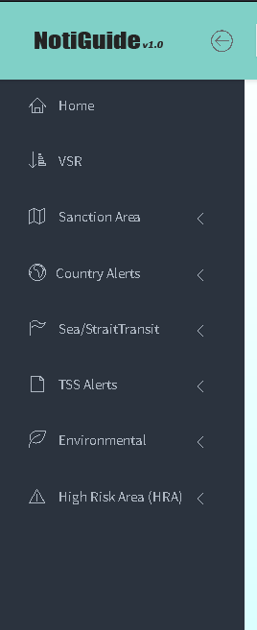

at Notepad++ under <!-- LEFT SIDEPANEL -->comment you can see here the Menu List.

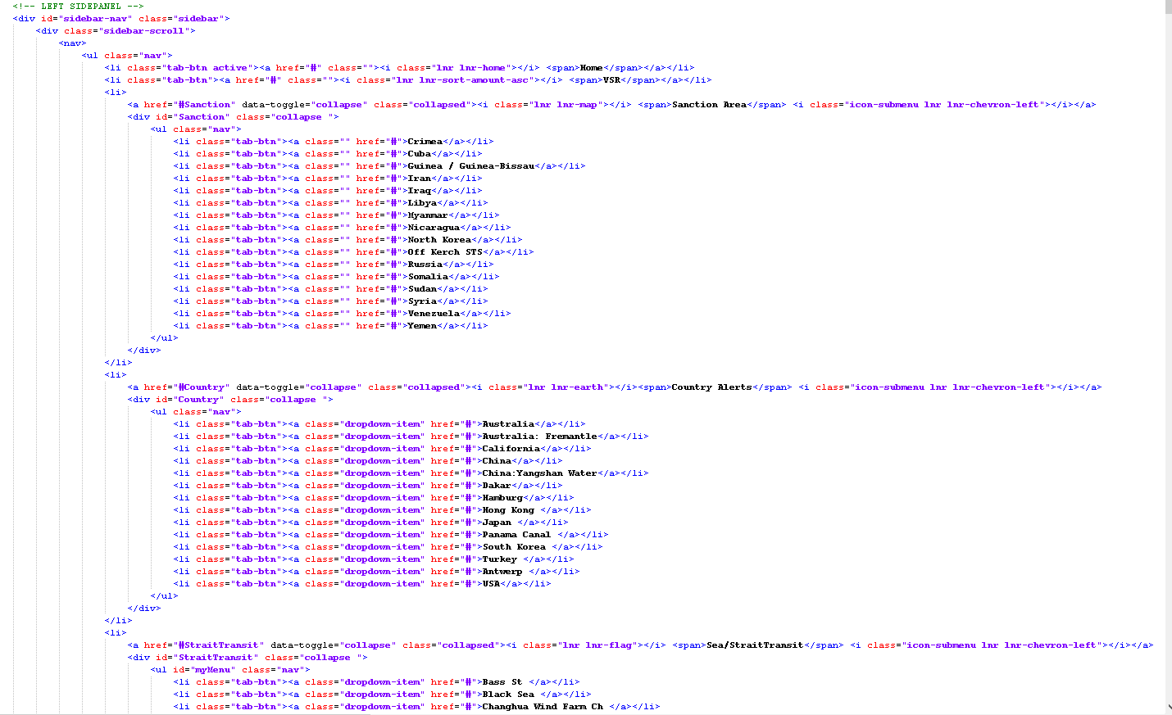
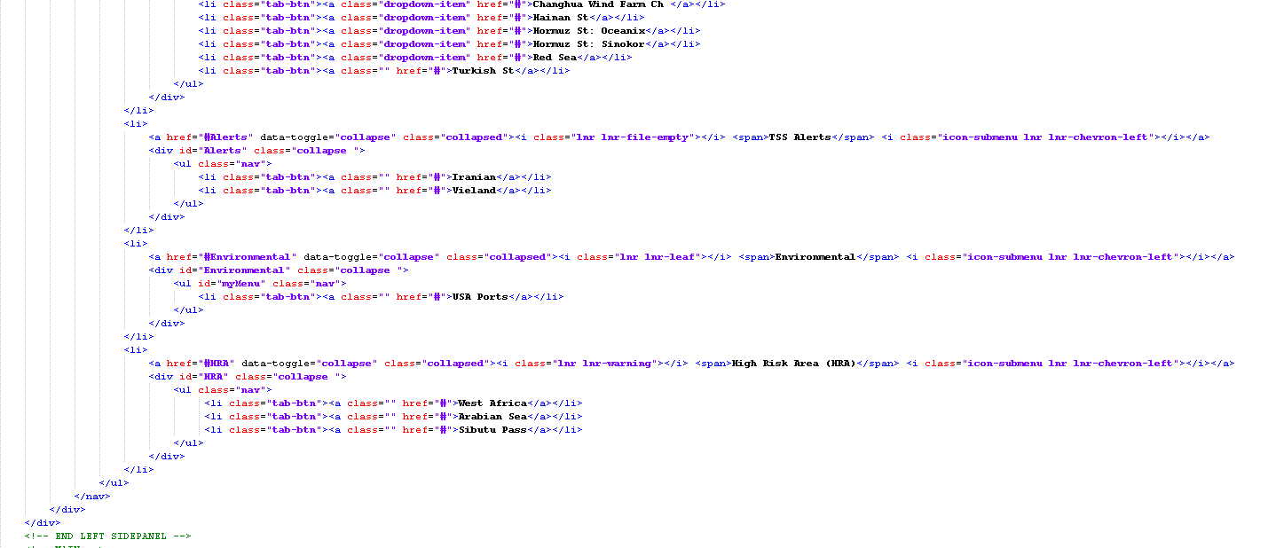

If you want to add new notification under Country Alert copy this line and paste below .

And change Title of New Notification

FOR CONTENT OF NEW NOTIFICATION

**Find the last notification under Country Alert where you add your new notification or simply hit Ctrl + F at keyboard and search for title of last notification.

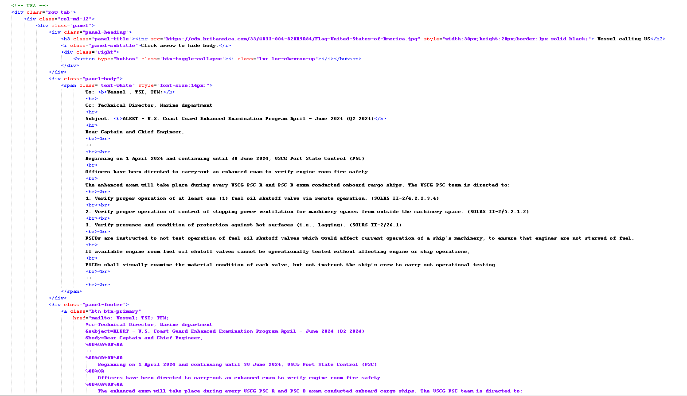
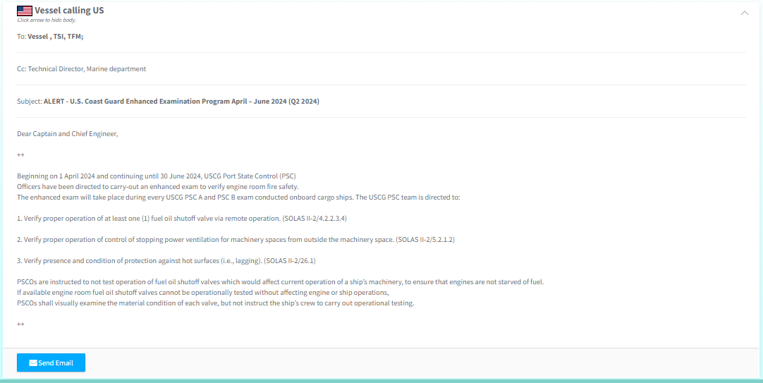

Space/Break Line <br><br> -- for separating words

**Copy All Codes Start From to

**Paste Code below and rename with new [Notification].

Put recipient here.

mailto format:

Cc here.

Subject here.

Body here.

‘%20’ for separating words, you may also need to separate lines. Use the ‘%0D%0A’ tag for this purpose.

Image path
Image size, width and height

For image

with modal animation when clicking

